Data Plots
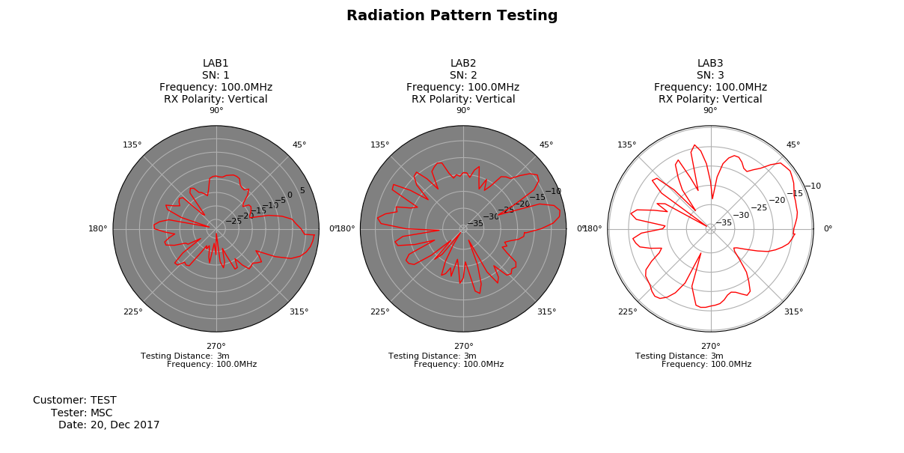
Data Collection Plots
Date: | 2017-12-20
DUT Label: | LAB3
DUT Serial Number: | 3

